1. Title Page
[Project Name]

Project Name: Instacart Analysis
Date: 21 March 2024
Analyst Name: João Oliveira

Contents:
Population Flow
Consistency checks
Wrangling steps
Column derivations
Visualizations
Recommendations

2. Population Flow
 | Title page

Population flow

Exclusion flag
Condition: max_order < 5
Obervations to be removed: 7989982
Final total count of order_products_all: 24414877

Orders_products_combined
Orders_products_merged
Orders_products_all

Total: 32404859
Total:32434489
Total: 32404859

1.) The grey boxes in the first row of the population flow represent the original data sets as they were when you downloaded them. In the Total fields you need to add the count of the rows when you imported the data set into Jupyter.
2.) The second row of boxes (coloured) represents the data sets after you manipulated them, e.g., removed missing values and duplicates. In the Total fields you need to add the count of the rows after conducting these operations. This offers a visual oveview of how the data flows throughout the data consistency checks.
3.) The third row, where also the arrows are coloured, represents the merges you performed between the datasets. In the Total fields you need to add the count of the rows in the merged datasets, so that you end up with the final dataset (in the red box). Keep in mind the final dataset should be without exclusions (based on the exclusion flag).

Source: The Instacart Online Grocery Shopping Dataset 2017”, Accessed from www.instacart.com/datasets/grocery-shopping-2017 via Kaggle on [March 3, 2024]

3. Consistency checks
 |  |  |  | Title page
Consistency checks

Dataset | Missing values | Missing values treatment | Duplicates
orders | 206,209 | keep
products | 16 | drop
orders_products_prior
customers | 11259 | keep

4. Wrangling steps
 |  |  |  | Title page
Wrangling steps

Columns dropped | Columns renamed | Columns' type changed | Comment/Reason
eval_set |  |  | column appears after importing, no relevance
Unnamed: 0 |  |  | column appears after importing, no relevance
first_name |  |  | column dropped for PII issues
surname |  |  | column dropped for PII issues

 |  | order_number | type changed to string, number has no math value

 | dow |  | renamed to 'days_of_week', for clarity
 | order_hour_of_day |  | renamed to 'order_hour' for brevity
 | First Name |  | renamed to 'first_name, for consistency
 | Surnam |  | renamed to 'surname', for error and consistency
 | Gender |  | renamed to 'gender', for consistency
 | STATE |  | renamed to 'State', for consistency
 | Age |  | renamed to 'age', for consistency
 | n_dependants |  | renamed to 'dependants', for clarity
 | fam_status |  | renamed to 'family_status' for clarity

5. Column derivations
 |  |  |  | Title page

Column derivations and aggregations

In this tab you should add tables below that the frequences of flags/label variables that you produced after deriving them. NB: don't do this for continuous variables, only for flags.
Dataset | New column | Column/s it was derived from | Conditions
orders_products | price_range_loc | prices | prices > 15: High range product
 |  |  | prices <15 & >=5 : Mid range product
 |  |  | prices < 5: Low range product

orders_products | busiest_period_of_day | order_hour_of_day | order_hour_of_day = 10, 11, 14, 15, 13, 12, 16, 9: Most orders
 |  |  | order_hour_of_day = 17, 8, 18, 19, 20, 7, 21, 22: Average orders
 |  |  | order_hour_of_day = 1,2,3,4,5,6,23,24 : Fewest orders

ords_prods_all | loyalty_flag | max_order | max_order > 40: Loyal customer
 |  |  | max_order <=40 & > 10: Regular customer
 |  |  | max_order <= 10: New customer

ords_prods_all | spending_flag | user_id & prices transformed to mean_spend | mean_spend >= 10: High spender
 |  |  | mean_spend < 10: Low spender

ords_prods_all | order_frequency | user_id & days_since_prior_order transformed to median_order | median_order > 20: Non-frequent customer
 |  |  | median_order > 10 & <= 20: Regular customer
 |  |  | median_order <= 10: Frequent customer

ords_prods_all | customer_profile | age & income | age < 30 & income <67004: low-income, young adult
 |  |  | age >= 30 & age <65 & income <67004 : low-income, adult
 |  |  | age>=65 & income <67004: low-income, senior
 |  |  | age < 30 & income >=67004 & < 96618: lower-middle income, young adult
 |  |  | age >= 30 & age <65 & income >=67004 & <96618 : lower-middle income, adult
 |  |  | age>=65 & income >=67004 & <96618: lower-middle income, senior
 |  |  | age < 30 & income >=96618 & < 127912: upper-middle income, young adult
 |  |  | age >= 30 & <65 & income >=96618 & < 127912: upper-middle income, adult
 |  |  | age > 65 & income >=96618 & < 127912: upper-middle income, senior
 |  |  | age < 30 & income > 127912: high-income, young adult
 |  |  | age >= 30 & age <65 & income > 127912 : high-income, adult
 |  |  | age>=65 & income > 127912: high-income, senior

New column | Flags | Frequency
price_range_loc | High range product | 417678
 | Mid range product | 21860860
 | Low range product | 10126321

busiest_period_of_day | Most orders | 21118071
 | Average orders | 9997651
 | Fewest orders | 1289137

loyalty_flag | Regular customer | 15876776
 | Loyal customer | 10284093
 | New customer | 6243990

spending_flag | Low spender | 31770614
 | High spender | 634245

order_frequency | Frequenct customer | 22796659
 | Regular customer | 6921472
 | Non-frequent customer | 2686728

6. Visualizations
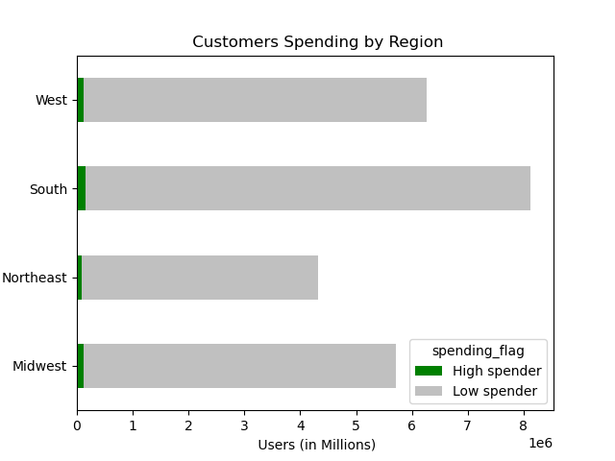
 |  |  | Title page

Visualisations

In this tab you should include all the visualtions from Exercises 4.9 and 4.10, alongside the questions from the project brief that they answer. Include any commentary on the relationship between different variables.

 | Key Question (KQ) 1 | When are the busiest days and hours customers order the most?
 |  | The following charts illustrate that Saturdays are the busiest ordering days while hour 10 is the busiest time of day
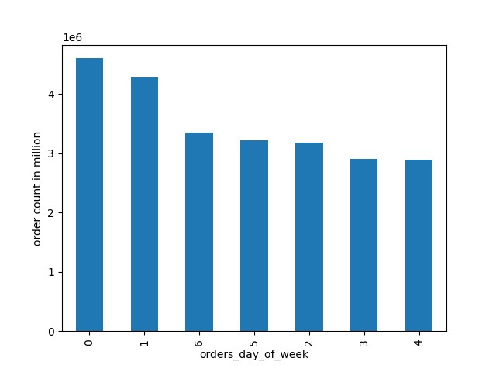
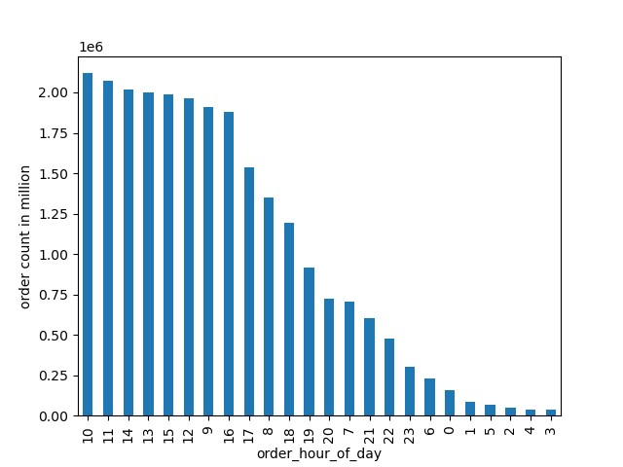

KQ-2 | When are the days and hours in which customers spend the most?
 | The following charts depict that peak hours are between 2 & 3 while peak days are Sundays and Thursdays for spending
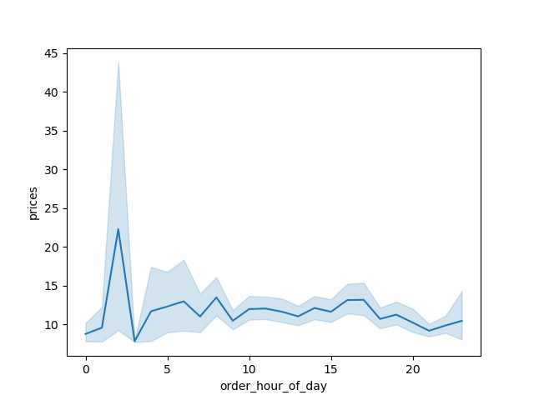
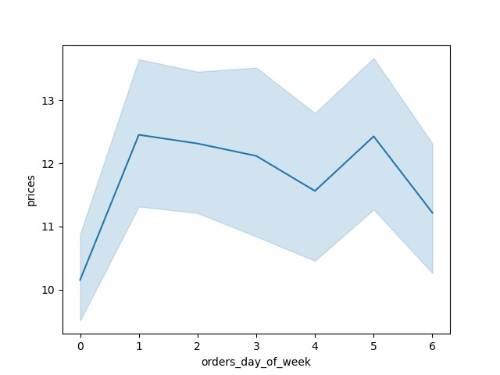

KQ-3 | What are the price range groupings of the products?
 | The following chart shows that mid range products contribute more than two thirds of the proportion of Instacart's price lists

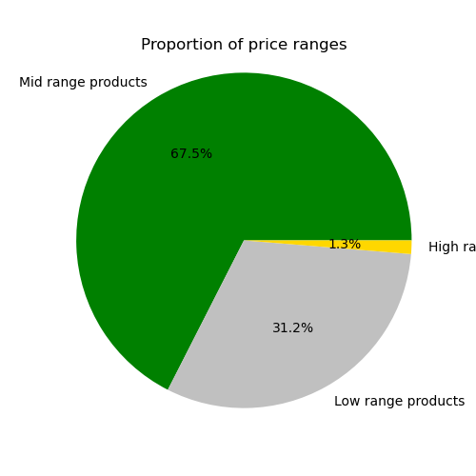

KQ-4 | Which products and departments are most popular based on the number of orders?
 | The following charts depict that department '4' is the most popular department while 'Banana' is the favorite product

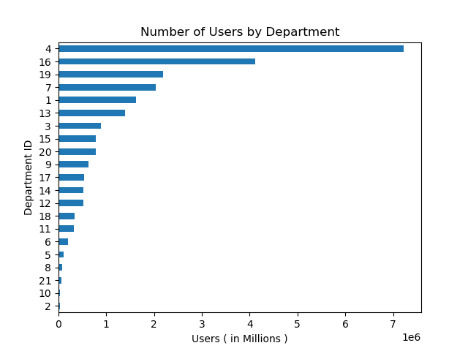
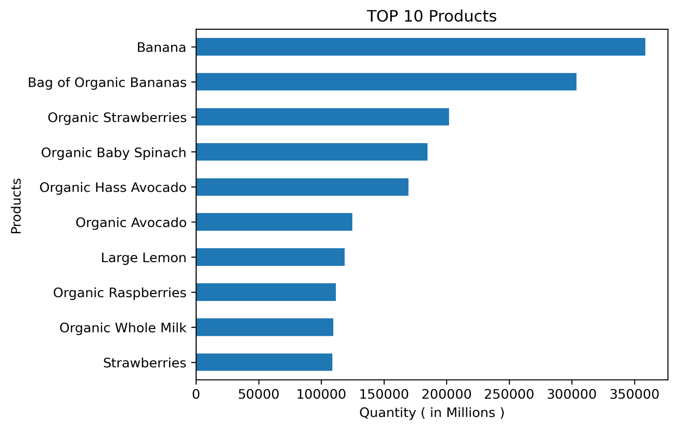

KQ-5 | What is the distribution of brand loyalty among customer profiles?
 | The following charts show that regular customers dominate in each region and in each customer profile
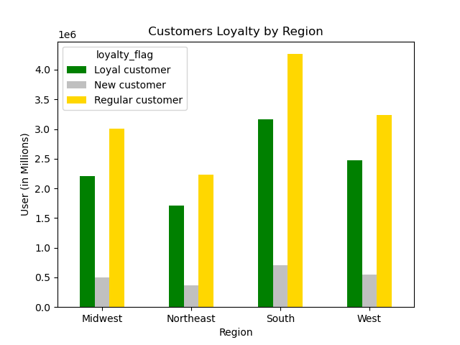
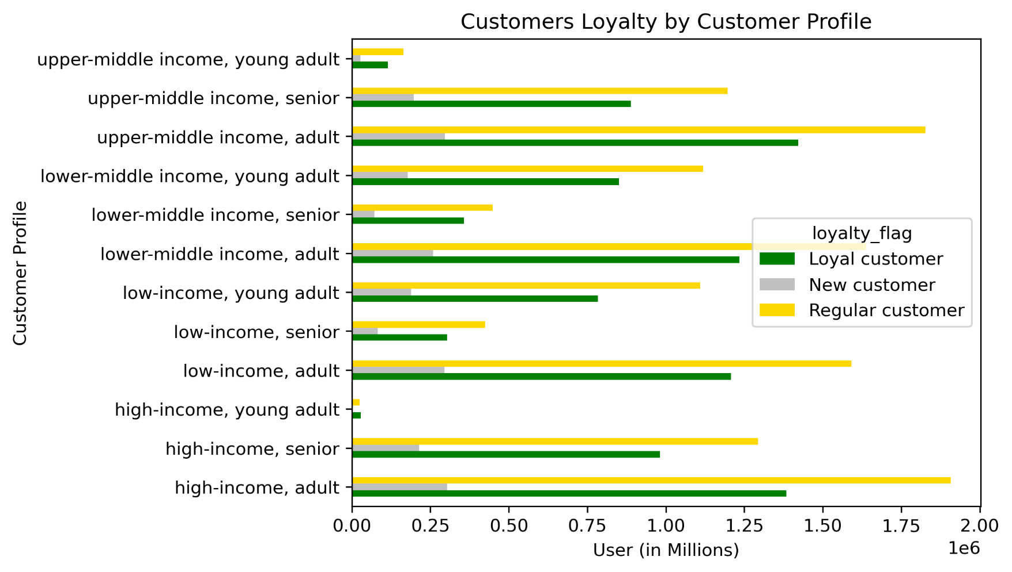

KQ-6 | Are there differences in ordering habits based on a customer's loyalty status?
 | The following chart shows that the majority of frequent customers are loyal customers, while non-frequent customers have no loyal customers
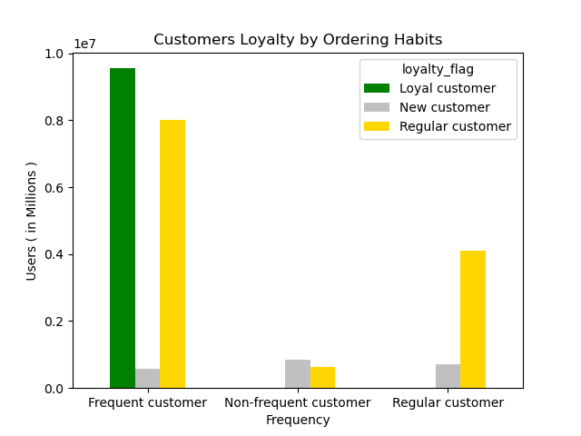

KQ-7 | Are there differences in ordering habits based on a customer's region?
 | The following chart indicates that the frequent customers dominate in each region
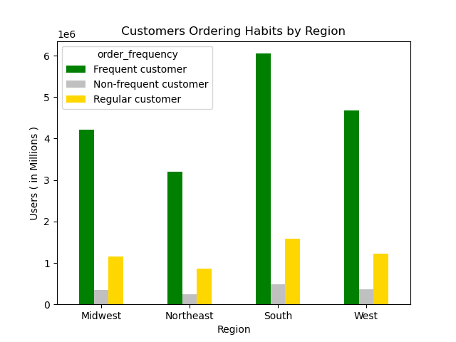

KQ-8 | Is there a connection between customer profile and family status in terms of ordering habits?
 | The following chart indicates that young adults are the least in the number of Instacart's customers

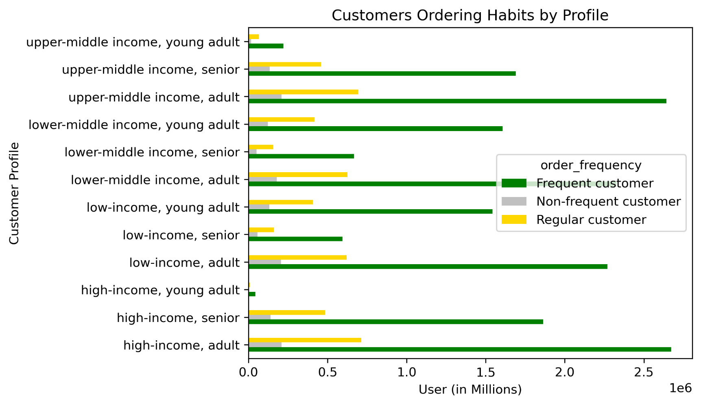

KQ-9 | Is there a connection between customer profile and spending habits?
 | The following chart indicates that high spenders exist only in the high income group

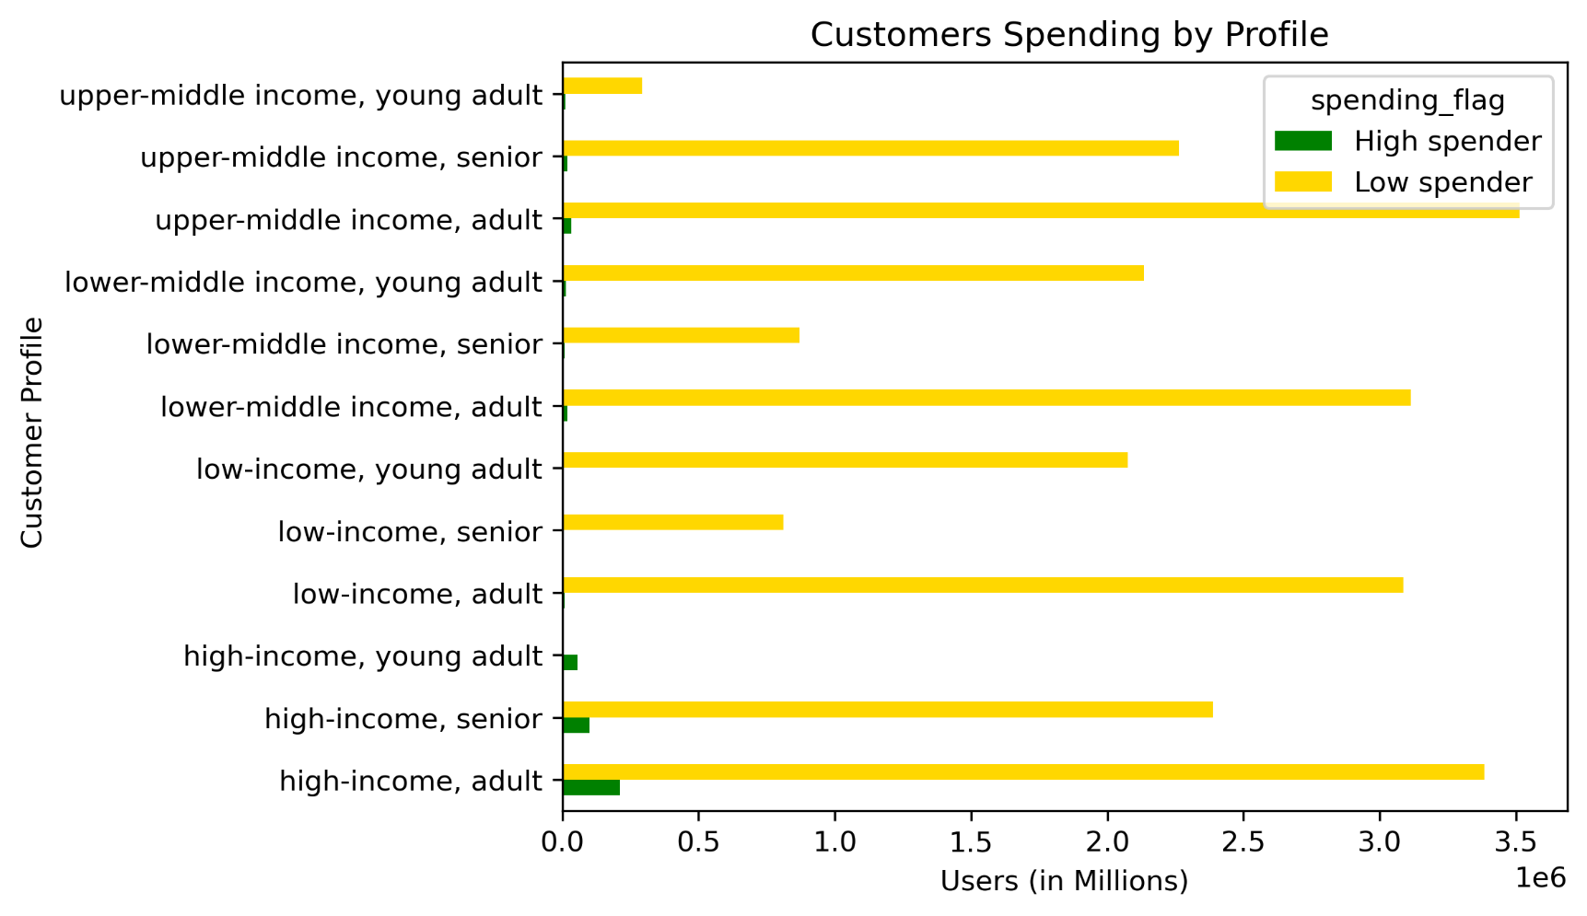

KQ-10 | Is there a connection between spending habits and customer region?
 | The following chart depicts that in every region, the low spenders dominate

7. Recommendations
 |  | Title page

Recommendations

In this tab you should include any recommendations you would made to Instcart in terms of their marketing strategy based on the questions posed in the brief. Every key question has been covered in the Tasks of the Exercises - here you need to add an item - a visualisation or table/crosstable that is showing the answer in the data, acompanied by a comment from you. Please, list the questions below and add the answer underneath.

Question | Answer

Key Question 1 : When are the busiest days and hours customers order the most? | The weekends, Saturdays followed by Sundays are the busiest days, while hours 10 and 11 are busiest hours
Key Question 2 : When are the days and hours in which customers spend the most? | Customers spend the most between hours 2 and 3, while they pay the most on Sundays and Thursdays
Key Question 3: What are the price range groupings of the products? | Mid range products dominate, while the high range products take the least share.
Key Question 4: Which products and departments are most popular based on the number of orders? | Departments 4, 16 and 19 are the three most popular, in that order; while Banana, Bag of Organic Bananas and Organic Strawberies are the top three popular products
Key Question 5: What is the distribution of brand loyalty among customer profiles? | Irrespective of the customers' region, Instacart's customers are majority regular customers, followed by loyal customers; new customers are the least contributors
Key Question 6: Are there differences in ordering habits based on a customer's loyalty status? | Frequent customers are mostly loyal customers, while non-frequent customers are not loyal, data speaks!
Key Question 7: Are there differences in ordering habits based on a customer's region? | Irrespective of the customers' region, Instacart's ordering is dominated by the frequent customers, and non-frequent customers contribute the least.
Key Question 8: Is there a connection between customer profile and family status in terms of ordering habits? | Irrespective of their incomes, young adults are the least customers of Instacart. On the other hand, married customers contribute the most to Instacart's share of frequent customers, while customers living with parents are the least contributors.
Key Question 9: Is there a connection between customer profile and spending habits?
Key Question 10: Is there a connection between spending habits and customer region? | The high spenders are almost non-existent in all customer profiles except for the high-income adults and seniors , the high income young adults, and the upper middle income adults. In all regions, the vast majority of customers of Instacart are the low spenders.

Recomendations

1. On weekends, customers tend to place the most orders, with their preferred ordering times being around 10 or 11 AM. It's crucial for the grocery store to anticipate this surge in demand during this specific time of the week and ensure that the desired products are readily available in stock.

2. Through analysis, the busiest and most favored departments have been identified to assist Instacart in implementing the aforementioned recommendation. Department '4' (produce) emerges as the busiest, with fruits, particularly bananas, being the favored products. Given their perishable nature, stocking them just before the weekend is advisable.

3. Customers exhibit peak spending between 2 and 3 PM, with Sundays and Thursdays standing out as the days with the highest payments. During these periods, Instacart's online payment system experiences heightened activity, necessitating careful maintenance of server functionality.

4. Customer segmentation based on brand loyalty reveals three categories: regular, loyal, and new customers. Given that the majority of Instacart's customers fall into the regular category, marketing efforts should primarily target this group.

5. Another segmentation approach based on ordering habits categorizes customers as frequent, non-frequent, and regular. It's advisable for Instacart to cater to both frequent and regular customer groups, as they collectively represent the majority of customers.

6. Age and income-based segmentation highlights that Instacart is less favored by young adults, regardless of their incomes, while married customers tend to be more frequent users. Targeting ads towards this demographic aligns with their preferences.

7. Across all U.S. regions, the majority of Instacart's customers are low spenders. Segmentation based on this criterion can enable Instacart to tailor its offerings to better meet the needs of this customer segment.

